ALL Teacher Overview
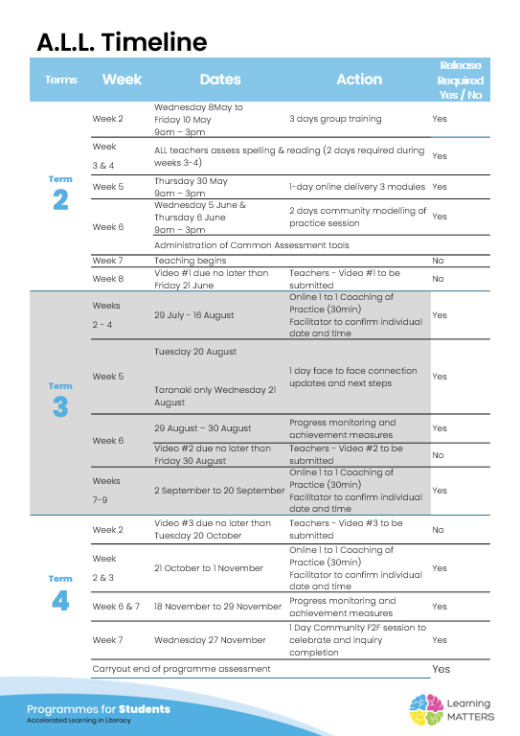

Roadmap
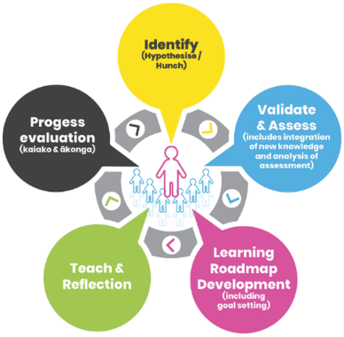 |  | The Inquiry cycle understood …
 |  | Hunch | What do you suspect is the cause of literacy underachievement? | This group of 6 students were first of all screened from testing done in Term one 2024. There has been 24 students identified as needing some extra literacy support at NCG in Year 9. As I do not know these students it is hard to guage a reason.
 |  | Validate and Assess | Once you have completed all assessments has your hunch been validated and or is further assessment or knowledge building necessary? | All of the 12 students from the class would benefit from the pilot, the 6 I have chosen have the greater need. I am yet to complete more assessments on the 6 chosen.
 |  | Roadmap Actions | Now you have greater knowledge and relevant assessment findings what steps will you take?
 |  | Goal Setting | Write a goal for you as the teacher that reflects your aspirations to continue to improve both knowledge and practice and also a goal for your group of students.
 |  | Teaching | What will the key components of your teaching sessions include for this group of Tier 2 students?
 |  | Reflection | You will be required to reflect throughout your roadmap at regular intervals, particularly after observations and coaching sessions.
 |  | Progress evaluation | At the beginning of Term 3 and again at the end of term 4 you will evaluate the progress both you and your students have made.

Roadmap for implementation and tracking progress and actions
Now use the information and reflections above to map out your roadmap and set goals for your inquiry. ALL participants will be required to keep a journal of their progress and actions. This will assist in monitoring achievements and progress towards teacher and student goals.
Term 2 Goal Setting
Teacher goal
Student outcome goals

Term 2 Roadmap
Week | Focus | Teacher Actions | Reflection and next steps
3
4
5
6
7
8
9
10

Term 2 Evaluation & Term 3 Goal Setting
Student progress and next steps
Teacher progress and next steps

Term 3 Roadmap
Week | Focus | Teacher Actions | Reflection and next steps
1
2
3
4
5
6
7
8
9
10

Term 3 Evaluation & Term 4 Goal Setting
Student progress and next steps
Teacher progress and next steps

Term 4 Roadmap
Week | Focus | Teacher Actions | Reflection and next steps
1
2
3
4
5
6
7
8

Term 4 Evaluation & Final Reflections
Student progress and next steps
Teacher progress and next steps

